Data DIctionary
University Success Analysis

Dataset Description

This dataset contains information on university rankings from different systems, ranking criteria, and university-specific data.

Table Explanation

Country Table
In this country table contains dataset and providing fundamental geographic context.
1.ID: A unique identifier assigned to each country.
2Country Name: Name of each country.

This table catalogs universities featured in the ranking systems with each institution linked to a specific country.
1.ID : Unique identifier for each country.
2.Country ID : Identifier of the country to which the university belongs.
3.University name : Name of the University.

University Table

This contains the three different ranking systems used: Times Higher Education World University Ranking, Shanghai Ranking, and Center for World University Rankings.
1.ID: Unique Identifier for each ranking system.
2.System Name: Name of each ranking system.

Ranking System

This table contains the different criteria used in each ranking system, such as Citations and Quality of Education. It also contains criteria for Total Score for each system.
1.ID: Unique identifier for each ranking criterion.
2.Ranking system ID: Id of ranking system.
3.Criteria Name: Name of each critria.

Ranking Criteria

The university_year table contains values for measurements such as the number of students and the student to staff ratio for each university in several years.
1. University Id: Id of the university.
2.year: Year of observation.
3.Num_students: Total number of students in the university.
4.Student_staff_ratio: Student to staff ratio of each university.
5.Pct_international_students: Total percentage of international students in each country.
6.Pct_female_students: Total percentage of female students in each country.

University Year

This extensive table furnishes score for each university across various years and ranking criteria serving as the primary repository of ranking data.
1. University Id: Id of university.
2.Ranking criteria id: Id of ranking criteria.
3. year: Year of assessment.
4.Score: Score of each university

University Ranking Year

Q.1
Is there a correlation between a country's GDP and the number of universities?

SQL QUERY
Visualization

Correlation in Country_Gdp and No_of_university

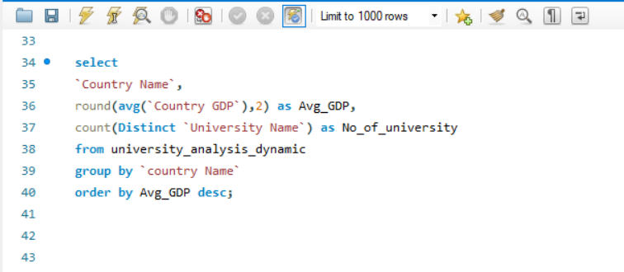

Insight

Output

The points do not form a clear upward or downward trend.This suggests that Country GDP does not strongly influence the number of universities in a country.Countries with lower GDPs still have universities.Countries with higher GDPs do not necessarily have more universities.The middle range of GDP (5M - 15M) has no plotted points.This suggests that data might be missing for mid-GDP countries, or such countries have fewer universities.There are few points at the higher GDP end, possibly representing large economies like the USA.

Country Name | Avg_GDP | No_of_university
USA | 21438737.39 | 2
Germany | 4223846.8 | 1
UK | 3116132.84 | 2
France | 2967529.86 | 1
Canada | 1655368.92 | 1
Australia | 1615324.09 | 1

Q.2
How has the number of universities changed over the years in each country?

Visualization
SQL QUERY

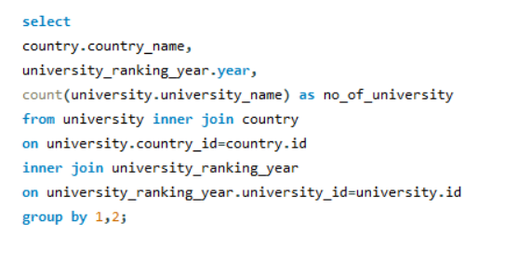
Number of university by Year

Output

Insight

This chart is shows the number of universities by each year.In year 2011 "United State of America" have 556 university and then "UK" is in second highest but also there is increase in number of university between 2014 to 2015.
country_name | Year | no_of_university
United States of America | 2011 | 556
United Kingdom | 2011 | 198
Hong Kong | 2011 | 24
Japan | 2011 | 57
South Korea | 2011 | 24
Canada | 2011 | 56
Singapore | 2011 | 12
Australia | 2011 | 49
China | 2011 | 30
France | 2011 | 18
Germany | 2011 | 59
Sweden | 2011 | 33
Switzerland | 2011 | 45
Ireland | 2011 | 5
Finland | 2011 | 13
Taiwan | 2011 | 18
South Africa | 2011 | 5
Netherlands | 2011 | 67
Denmark | 2011 | 32
Belgium | 2011 | 13
Norway | 2011 | 13
Spain | 2011 | 12
New Zealand | 2011 | 6
Turkey | 2011 | 6
Austria | 2011 | 12
United States of America | 2012 | 1050
United Kingdom | 2012 | 280
Canada | 2012 | 100
Japan | 2012 | 91
Sweden | 2012 | 53
Hong Kong | 2012 | 24
Australia | 2012 | 66
Singapore | 2012 | 12
China | 2012 | 18
South Korea | 2012 | 26
Switzerland | 2012 | 83
France | 2012 | 59
Netherlands | 2012 | 95
Germany | 2012 | 77
Finland | 2012 | 21
South Africa | 2012 | 6
Belgium | 2012 | 19
Israel | 2012 | 51
Denmark | 2012 | 40
Austria | 2012 | 6
Taiwan | 2012 | 6
Ireland | 2012 | 6
New Zealand | 2012 | 6
Brazil | 2012 | 6
Norway | 2012 | 27
Spain | 2012 | 6
United States of America | 2013 | 1043
United Kingdom | 2013 | 266
Canada | 2013 | 108
Japan | 2013 | 92
Australia | 2013 | 72
Singapore | 2013 | 20
Hong Kong | 2013 | 24
Sweden | 2013 | 53
China | 2013 | 12
South Korea | 2013 | 32
France | 2013 | 72
Netherlands | 2013 | 95
Germany | 2013 | 62
Switzerland | 2013 | 83
Belgium | 2013 | 25
Finland | 2013 | 21
South Africa | 2013 | 6
Denmark | 2013 | 40
Taiwan | 2013 | 6
Israel | 2013 | 51
Brazil | 2013 | 6
New Zealand | 2013 | 6
Austria | 2013 | 6
Ireland | 2013 | 6
United States of America | 2014 | 2224
United Kingdom | 2014 | 643
Canada | 2014 | 270
Japan | 2014 | 420
Singapore | 2014 | 28
Australia | 2014 | 188
Sweden | 2014 | 133
Hong Kong | 2014 | 66
South Korea | 2014 | 216
China | 2014 | 308
Germany | 2014 | 415
Netherlands | 2014 | 198
France | 2014 | 302
Switzerland | 2014 | 115
Belgium | 2014 | 102
Finland | 2014 | 85
Denmark | 2014 | 72
South Africa | 2014 | 46
Taiwan | 2014 | 78
Ireland | 2014 | 46
Spain | 2014 | 198
New Zealand | 2014 | 46
Austria | 2014 | 78
Norway | 2014 | 45
Israel | 2014 | 68
United States of America | 2015 | 2215
United Kingdom | 2015 | 632
Canada | 2015 | 276
Japan | 2015 | 427
Singapore | 2015 | 28
Australia | 2015 | 194
Hong Kong | 2015 | 72
Sweden | 2015 | 133
China | 2015 | 314
South Korea | 2015 | 210
France | 2015 | 264
Italy | 2015 | 310
Netherlands | 2015 | 192
Germany | 2015 | 422
Switzerland | 2015 | 115
Turkey | 2015 | 30
Belgium | 2015 | 97
Finland | 2015 | 85
Denmark | 2015 | 72
South Africa | 2015 | 46
Taiwan | 2015 | 78
Spain | 2015 | 198
New Zealand | 2015 | 46
Austria | 2015 | 78
Norway | 2015 | 45
Israel | 2015 | 62
Russia | 2015 | 22
United States of America | 2016 | 173
United Kingdom | 2016 | 108
Canada | 2016 | 30
Singapore | 2016 | 12
Sweden | 2016 | 18
Australia | 2016 | 24
China | 2016 | 6
Japan | 2016 | 6
Germany | 2016 | 36
Netherlands | 2016 | 36
Hong Kong | 2016 | 6
South Korea | 2016 | 18
Italy | 2016 | 12
Belgium | 2016 | 6
Norway | 2016 | 6
Austria | 2016 | 6
Spain | 2016 | 12
Israel | 2016 | 6
United States of America | 2005 | 259
United Kingdom | 2005 | 49
Japan | 2005 | 28
Canada | 2005 | 28
Netherlands | 2005 | 14
Sweden | 2005 | 28
Denmark | 2005 | 7
Switzerland | 2005 | 14
Norway | 2005 | 7
Finland | 2005 | 7
Australia | 2005 | 7
Austria | 2005 | 7
France | 2005 | 14
United States of America | 2006 | 259
United Kingdom | 2006 | 49
Japan | 2006 | 35
Canada | 2006 | 28
Netherlands | 2006 | 14
Sweden | 2006 | 28
Denmark | 2006 | 7
Switzerland | 2006 | 14
Norway | 2006 | 7
Finland | 2006 | 7
Australia | 2006 | 7
France | 2006 | 14
United States of America | 2007 | 259
United Kingdom | 2007 | 49
Japan | 2007 | 35
Canada | 2007 | 28
Netherlands | 2007 | 14
Denmark | 2007 | 7
Sweden | 2007 | 28
Switzerland | 2007 | 14
Norway | 2007 | 7
Finland | 2007 | 7
Australia | 2007 | 7
France | 2007 | 14
Germany | 2007 | 7
United States of America | 2008 | 259
United Kingdom | 2008 | 49
Japan | 2008 | 21
Canada | 2008 | 28
Denmark | 2008 | 14
Netherlands | 2008 | 14
Sweden | 2008 | 28
Switzerland | 2008 | 14
Norway | 2008 | 7
Finland | 2008 | 7
France | 2008 | 7
Australia | 2008 | 14
Germany | 2008 | 7
United States of America | 2009 | 266
United Kingdom | 2009 | 49
Japan | 2009 | 28
Canada | 2009 | 28
Denmark | 2009 | 14
Sweden | 2009 | 21
Netherlands | 2009 | 14
Switzerland | 2009 | 14
Norway | 2009 | 7
France | 2009 | 7
Finland | 2009 | 7
Australia | 2009 | 14
Germany | 2009 | 7
United States of America | 2010 | 259
United Kingdom | 2010 | 49
Japan | 2010 | 28
Canada | 2010 | 28
Denmark | 2010 | 14
Sweden | 2010 | 21
Netherlands | 2010 | 14
Switzerland | 2010 | 14
Australia | 2010 | 14
France | 2010 | 7
Finland | 2010 | 7
Norway | 2010 | 7
Belgium | 2010 | 7
Germany | 2010 | 7
Norway | 2013 | 15
Italy | 2012 | 8
Italy | 2013 | 8
Russia | 2013 | 8
Russia | 2014 | 16
Italy | 2014 | 304
Brazil | 2014 | 56
Portugal | 2014 | 48
Thailand | 2014 | 16
Czech Republic | 2014 | 8
Malaysia | 2014 | 16
India | 2014 | 88
Greece | 2014 | 48
Mexico | 2014 | 8
Hungary | 2014 | 32
Argentina | 2014 | 8
Turkey | 2014 | 24
Poland | 2014 | 32
Saudi Arabia | 2014 | 16
Chile | 2014 | 16
Iceland | 2014 | 8
Slovenia | 2014 | 8
Estonia | 2014 | 8
Lebanon | 2014 | 8
Croatia | 2014 | 8
Colombia | 2014 | 8
Brazil | 2015 | 56
Ireland | 2015 | 40
Portugal | 2015 | 48
Czech Republic | 2015 | 8
Greece | 2015 | 48
Thailand | 2015 | 16
Mexico | 2015 | 8
India | 2015 | 88
Argentina | 2015 | 8
Chile | 2015 | 16
Poland | 2015 | 32
Hungary | 2015 | 32
Iceland | 2015 | 8
Malaysia | 2015 | 16
Slovenia | 2015 | 8
Estonia | 2015 | 8
Croatia | 2015 | 8
Saudi Arabia | 2015 | 16
Colombia | 2015 | 8
Lebanon | 2015 | 8

Q.3
Is there a relationship between a country's population and the number of universities?

SQL QUERY
Visualization

Correlation between Population and No_of_university
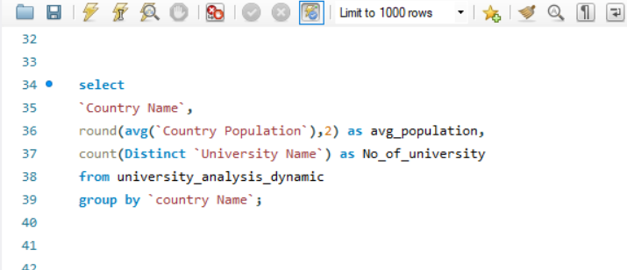

Output
Insight

The points are scattered without a clear pattern, suggesting that country population does not strongly influence the number of universities. A higher population does not necessarily mean more universities.Even countries with lower population values still have at least one university.
This suggests that university presence is not strictly dependent on population size.
There are very few data points in the higher population range (~300M+).This may indicate either a lack of data for highly populated countries or fewer countries in that range.A couple of points appear significantly away from others. These might represent countries with exceptionally high population but few universities or vice versa.
Country_Name | Avg_population | No_of_university
Australia | 25859745.64 | 1
Canada | 38325051.09 | 1
France | 67747452.91 | 1
Germany | 83551431 | 1
UK | 68385146.82 | 2
USA | 333342391.18 | 2

Q.4
Are there any common criteria used by different ranking systems?

SQL QUERY
Visualization

Ranking system by criteria_name
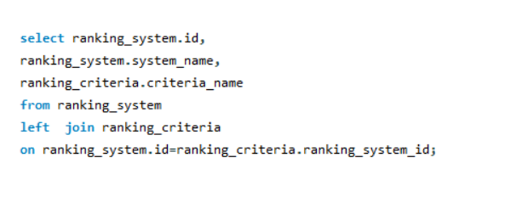

Output

Insight
This graph is describing ranking system by criteria name where "Center for world university Ranking" have total 8 criteria name then "Shanghai Ranking" come into second position and at last is "Times Higher Education World University Ranking".
id | system_name | criteria_name
1 | Times Higher Education World University Ranking | Total Times
1 | Times Higher Education World University Ranking | Income
1 | Times Higher Education World University Ranking | Citations
1 | Times Higher Education World University Ranking | Research
1 | Times Higher Education World University Ranking | International
1 | Times Higher Education World University Ranking | Teaching
2 | Shanghai Ranking | Total Shanghai
2 | Shanghai Ranking | PCP | Row Labels | Count of criteria_name
2 | Shanghai Ranking | Pub | Center for World University Rankings | 8
2 | Shanghai Ranking | N and S | Shanghai Ranking | 7
2 | Shanghai Ranking | HiCi | Times Higher Education World University Ranking | 6
2 | Shanghai Ranking | Award | Grand Total | 21
2 | Shanghai Ranking | Alumni
3 | Center for World University Rankings | Total CWUR
3 | Center for World University Rankings | Patents Rank
3 | Center for World University Rankings | Citations Rank
3 | Center for World University Rankings | Influence Rank
3 | Center for World University Rankings | Publications Rank
3 | Center for World University Rankings | Quality of Faculty Rank
3 | Center for World University Rankings | Alumni Employment Rank
3 | Center for World University Rankings | Quality of Education Rank

Q.5
What is the trend in university rankings over the years according to each system?

Visualization
SQL QUERY

Harvard University | 100
California Institute of Technology | 98
Massachusetts Institute of Technology | 98
Stanford University | 98
Princeton University | 91
University of Cambridge | 90
University of Oxford | 88
University of California, Berkeley | 84
Imperial College London | 89
Yale University | 92
University of California, Los Angeles | 83
University of Chicago | 79
Johns Hopkins University | 81
Cornell University | 82
Columbia University | 74
University of Pennsylvania | 72
Carnegie Mellon University | 70
University of Hong Kong | 68
University College London | 74
Duke University | 67
Northwestern University | 64
University of Tokyo | 88
Georgia Institute of Technology | 68
Pohang University of Science and Technology | 70
University of California, Santa Barbara | 57
University of British Columbia | 65
University of North Carolina at Chapel Hill | 71
University of California, San Diego | 60
National University of Singapore | 66
McGill University | 69
University of Melbourne | 59
Peking University | 76
Ãƒâ€°cole Polytechnique | 58
University of Edinburgh | 60
Hong Kong University of Science and Technology | 50
Australian National University | 52
University of GÃƒÂ¶ttingen | 57
Rice University | 57
University of California, Irvine | 49
Vanderbilt University | 65
Tufts University | 64
University of California, Davis | 57
Brown University | 60
Kyoto University | 79
Tsinghua University | 75
Boston University | 54
New York University | 62
Emory University | 63
University of Notre Dame | 56
Case Western Reserve University | 67
...

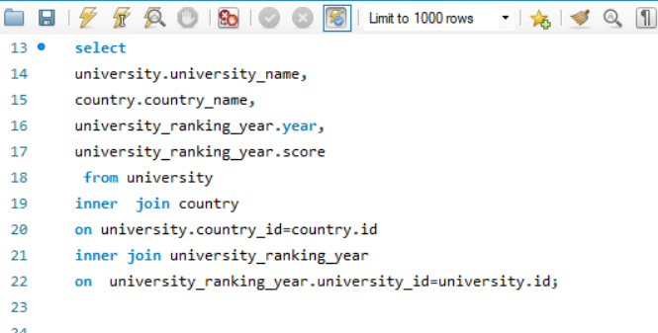

Output

Insight
University_name | Country_name | Year | Score
Harvard University | United States of America | 2011 | 100
California Institute of Technology | United States of America | 2011 | 98
Massachusetts Institute of Technology | United States of America | 2011 | 98
This chart is shows the number of universities with their score changes by year. In 2011 "Harvard University" and "California institute of technology" have good score is 100 and 98. In year 2012 these university have 96 and 96 score. In 2013,2014,2015,2016 have same trend in their score which indicate that these university have good potential in academic.
Stanford University | United States of America | 2011 | 98
Princeton University | United States of America | 2011 | 91
University of Cambridge | United Kingdom | 2011 | 90
University of Oxford | United Kingdom | 2011 | 88
University of California, Berkeley | United States of America | 2011 | 84
Imperial College London | United Kingdom | 2011 | 89
Yale University | United States of America | 2011 | 92
University of California, Los Angeles | United States of America | 2011 | 83
University of Chicago | United States of America | 2011 | 79
Johns Hopkins University | United States of America | 2011 | 81
Cornell University | United States of America | 2011 | 82
Columbia University | United States of America | 2011 | 74
University of Pennsylvania | United States of America | 2011 | 72
Carnegie Mellon University | United States of America | 2011 | 70
University of Hong Kong | Hong Kong | 2011 | 68
University College London | United Kingdom | 2011 | 74
Duke University | United States of America | 2011 | 67
Northwestern University | United States of America | 2011 | 64
University of Tokyo | Japan | 2011 | 88
Georgia Institute of Technology | United States of America | 2011 | 68
Pohang University of Science and Technology | South Korea | 2011 | 70
University of California, Santa Barbara | United States of America | 2011 | 57
University of British Columbia | Canada | 2011 | 65
University of North Carolina at Chapel Hill | United States of America | 2011 | 71
University of California, San Diego | United States of America | 2011 | 60
National University of Singapore | Singapore | 2011 | 66
McGill University | Canada | 2011 | 69
University of Melbourne | Australia | 2011 | 59
Peking University | China | 2011 | 76
Ãƒâ€°cole Polytechnique | France | 2011 | 58
University of Edinburgh | United Kingdom | 2011 | 60
Hong Kong University of Science and Technology | Hong Kong | 2011 | 50
Australian National University | Australia | 2011 | 52
University of GÃƒÂ¶ttingen | Germany | 2011 | 57
Rice University | United States of America | 2011 | 57
University of California, Irvine | United States of America | 2011 | 49
Vanderbilt University | United States of America | 2011 | 65
Tufts University | United States of America | 2011 | 64
University of California, Davis | United States of America | 2011 | 57
Brown University | United States of America | 2011 | 60
Kyoto University | Japan | 2011 | 79
Tsinghua University | China | 2011 | 75
Boston University | United States of America | 2011 | 54
New York University | United States of America | 2011 | 62
Emory University | United States of America | 2011 | 63
University of Notre Dame | United States of America | 2011 | 56
Case Western Reserve University | United States of America | 2011 | 67
University of Colorado Boulder | United States of America | 2011 | 46
University of Bristol | United Kingdom | 2011 | 50
University of California, Santa Cruz | United States of America | 2011 | 38
Yeshiva University | United States of America | 2011 | 64
University of Sydney | Australia | 2011 | 50
University of Virginia | United States of America | 2011 | 62
University of Adelaide | Australia | 2011 | 46
University of Southern California | United States of America | 2011 | 65
Stony Brook University | United States of America | 2011 | 48
Korea Advanced Institute of Science and Technology (KAIST) | South Korea | 2011 | 71
University of Sussex | United Kingdom | 2011 | 42
University of Utah | United States of America | 2011 | 56 | Year | (All)
Durham University | United Kingdom | 2011 | 40
University of Manchester | United Kingdom | 2011 | 56 | Row Labels | Sum of Score
Royal Holloway, University of London | United Kingdom | 2011 | 38 | Australia | 2106
Lund University | Sweden | 2011 | 46 | Australian National University | 439
University of Southampton | United Kingdom | 2011 | 51 | Monash University | 261
University of Zurich | Switzerland | 2011 | 57 | University of Adelaide | 205
Wake Forest University | United States of America | 2011 | 55 | University of Melbourne | 456
University College Dublin | Ireland | 2011 | 42 | University of New South Wales | 219
George Washington University | United States of America | 2011 | 61 | University of Sydney | 355
University of Arizona | United States of America | 2011 | 52 | University of Western Australia | 171
University of Basel | Switzerland | 2011 | 50 | Austria | 292
University of Maryland, College Park | United States of America | 2011 | 45 | University of Innsbruck | 38
Dartmouth College | United States of America | 2011 | 45 | University of Vienna | 254
Ãƒâ€°cole normale supÃƒÂ©rieure de Lyon | France | 2011 | 51 | Belgium | 552
Technical University of Munich | Germany | 2011 | 50 | Ghent University | 290
University of Helsinki | Finland | 2011 | 49 | UniversitÃƒÂ© catholique de Louvain | 136
University of St Andrews | United Kingdom | 2011 | 45 | UniversitÃƒÂ© libre de Bruxelles | 23
Rensselaer Polytechnic Institute | United States of America | 2011 | 50 | University of Antwerp | 103
National Tsing Hua University | Taiwan | 2011 | 52 | Brazil | 125
University of Cape Town | South Africa | 2011 | 37 | University of SÃƒÂ£o Paulo | 125
Seoul National University | South Korea | 2011 | 62 | Canada | 2391
Hong Kong Baptist University | Hong Kong | 2011 | 33 | Dalhousie University | 42
Tokyo Institute of Technology | Japan | 2011 | 63 | McGill University | 493
Eindhoven University of Technology | Netherlands | 2011 | 55 | McMaster University | 157
National Taiwan University | Taiwan | 2011 | 50 | Simon Fraser University | 33
University of California, Riverside | United States of America | 2011 | 39 | University of Alberta | 363
University of Geneva | Switzerland | 2011 | 47 | University of British Columbia | 476
Nanjing University | China | 2011 | 52 | University of Montreal | 198
Queen Mary University of London | United Kingdom | 2011 | 40 | University of Ottawa | 154
Michigan State University | United States of America | 2011 | 50 | University of Toronto | 381
Technical University of Denmark | Denmark | 2011 | 46 | University of Victoria | 59
Ghent University | Belgium | 2011 | 53 | University of Waterloo | 35
Lancaster University | United Kingdom | 2011 | 44 | China | 1214
Leiden University | Netherlands | 2011 | 47 | Fudan University | 46
University of Alberta | Canada | 2011 | 54 | Nanjing University | 102
University of Glasgow | United Kingdom | 2011 | 46 | Peking University | 529
Osaka University | Japan | 2011 | 62 | Sun Yat-sen University | 46
Tohoku University | Japan | 2011 | 60 | Tsinghua University | 397
University of Iowa | United States of America | 2011 | 49 | University of Science and Technology of China | 39
University of Bergen | Norway | 2011 | 40 | Zhejiang University | 55
University of Lausanne | Switzerland | 2011 | 43 | Denmark | 618
University of Sheffield | United Kingdom | 2011 | 49 | Aarhus University | 167
VU University Amsterdam | Netherlands | 2011 | 48 | Technical University of Denmark | 259
University of Dundee | United Kingdom | 2011 | 34 | University of Copenhagen | 192
University of Barcelona | Spain | 2011 | 34 | Finland | 229
Utrecht University | Netherlands | 2011 | 43 | University of Helsinki | 229
University of Auckland | New Zealand | 2011 | 35 | France | 734
University of Birmingham | United Kingdom | 2011 | 50 | Ãƒâ€°cole normale supÃƒÂ©rieure de Lyon | 240
Uppsala University | Sweden | 2011 | 50 | Ãƒâ€°cole Polytechnique | 338
Hong Kong Polytechnic University | Hong Kong | 2011 | 39 | Joseph Fourier University | 114
University of Aberdeen | United Kingdom | 2011 | 38 | Mines ParisTech | 42
Delft University of Technology | Netherlands | 2011 | 56 | Germany | 2248
Birkbeck, University of London | United Kingdom | 2011 | 41 | Free University of Berlin | 250
Newcastle University | United Kingdom | 2011 | 43 | Goethe University Frankfurt | 102
University of New South Wales | Australia | 2011 | 50 | Humboldt University of Berlin | 319
Pompeu Fabra University | Spain | 2011 | 35 | Karlsruhe Institute of Technology | 205
Iowa State University | United States of America | 2011 | 49 | RWTH Aachen University | 210
Erasmus University Rotterdam | Netherlands | 2011 | 39 | Technical University of Munich | 391
University of Delaware | United States of America | 2011 | 38 | University of Bonn | 156
Arizona State University | United States of America | 2011 | 43 | University of Cologne | 42
Boston College | United States of America | 2011 | 40 | University of GÃƒÂ¶ttingen | 294
Georgetown University | United States of America | 2011 | 65 | University of Konstanz | 110
University of Amsterdam | Netherlands | 2011 | 42 | University of TÃƒÂ¼bingen | 169
University of Liverpool | United Kingdom | 2011 | 41 | Hong Kong | 1274
Aarhus University | Denmark | 2011 | 38 | Chinese University of Hong Kong | 191
University of Leeds | United Kingdom | 2011 | 46 | City University of Hong Kong | 96
University of Groningen | Netherlands | 2011 | 42 | Hong Kong Baptist University | 105
Sun Yat-sen University | China | 2011 | 46 | Hong Kong Polytechnic University | 39
Goethe University Frankfurt | Germany | 2011 | 39 | Hong Kong University of Science and Technology | 408
Nanyang Technological University | Singapore | 2011 | 44 | University of Hong Kong | 435
University of East Anglia | United Kingdom | 2011 | 42 | Ireland | 212
University of Nottingham | United Kingdom | 2011 | 47 | University College Dublin | 212
University of Copenhagen | Denmark | 2011 | 44 | Israel | 368
Humboldt University of Berlin | Germany | 2011 | 51 | Hebrew University of Jerusalem | 186
Monash University | Australia | 2011 | 39 | Tel Aviv University | 182
University of Bonn | Germany | 2011 | 47 | Italy | 133
National Chiao Tung University | Taiwan | 2011 | 53 | Scuola Normale Superiore di Pisa | 102
RWTH Aachen University | Germany | 2011 | 50 | University of Trento | 31
Middle East Technical University | Turkey | 2011 | 40 | Japan | 1790
University of Exeter | United Kingdom | 2011 | 40 | Kyoto University | 390
University of Twente | Netherlands | 2011 | 50 | Osaka University | 287
University of Konstanz | Germany | 2011 | 43 | Tohoku University | 278
Karlsruhe Institute of Technology | Germany | 2011 | 45 | Tokyo Institute of Technology | 308
University of Innsbruck | Austria | 2011 | 38 | University of Tokyo | 527
University of TÃƒÂ¼bingen | Germany | 2011 | 46 | Netherlands | 2466
Drexel University | United States of America | 2011 | 45 | Delft University of Technology | 282
University of Cincinnati | United States of America | 2011 | 44 | Eindhoven University of Technology | 255
Yonsei University | South Korea | 2011 | 43 | Erasmus University Rotterdam | 227
Dalhousie University | Canada | 2011 | 42 | Leiden University | 323
University of Vienna | Austria | 2011 | 48 | Maastricht University | 136
Kent State University | United States of America | 2011 | 34 | Radboud University Nijmegen | 124
University of Illinois at Chicago | United States of America | 2011 | 58 | University of Amsterdam | 262
Zhejiang University | China | 2011 | 55 | University of Groningen | 234
Simon Fraser University | Canada | 2011 | 33 | University of Twente | 152
California Institute of Technology | United States of America | 2012 | 96 | Utrecht University | 256
Harvard University | United States of America | 2012 | 96 | VU University Amsterdam | 215
Stanford University | United States of America | 2012 | 95 | New Zealand | 153
University of Oxford | United Kingdom | 2012 | 90 | University of Auckland | 153
Princeton University | United States of America | 2012 | 92 | Norway | 214
University of Cambridge | United Kingdom | 2012 | 90 | University of Bergen | 69
Massachusetts Institute of Technology | United States of America | 2012 | 93 | University of Oslo | 145
Imperial College London | United Kingdom | 2012 | 89 | Russia | 56
University of Chicago | United States of America | 2012 | 89 | Lomonosov Moscow State University | 56
University of California, Berkeley | United States of America | 2012 | 83 | Singapore | 777
Yale University | United States of America | 2012 | 92 | Nanyang Technological University | 261
Columbia University | United States of America | 2012 | 89 | National University of Singapore | 516
University of California, Los Angeles | United States of America | 2012 | 86 | South Africa | 242
Johns Hopkins University | United States of America | 2012 | 79 | University of Cape Town | 242
University of Pennsylvania | United States of America | 2012 | 87 | South Korea | 1396
University College London | United Kingdom | 2012 | 78 | Korea Advanced Institute of Science and Technology (KAIST) | 415
University of Toronto | Canada | 2012 | 77 | Pohang University of Science and Technology | 379
Cornell University | United States of America | 2012 | 70 | Seoul National University | 467
Carnegie Mellon University | United States of America | 2012 | 66 | Yonsei University | 135
Duke University | United States of America | 2012 | 63 | Spain | 222
University of British Columbia | Canada | 2012 | 69 | Autonomous University of Barcelona | 40
Georgia Institute of Technology | United States of America | 2012 | 67 | Pompeu Fabra University | 110
Northwestern University | United States of America | 2012 | 66 | University of Barcelona | 72
McGill University | Canada | 2012 | 73 | Sweden | 980
University of Texas at Austin | United States of America | 2012 | 70 | Karolinska Institute | 312
University of Tokyo | Japan | 2012 | 86 | Lund University | 250
Karolinska Institute | Sweden | 2012 | 70 | Stockholm University | 149
University of California, San Diego | United States of America | 2012 | 61 | Uppsala University | 269
University of Hong Kong | Hong Kong | 2012 | 74 | Switzerland | 1233
University of California, Santa Barbara | United States of America | 2012 | 55 | University of Basel | 297
University of Edinburgh | United Kingdom | 2012 | 63 | University of Bern | 167
University of Melbourne | Australia | 2012 | 62 | University of Geneva | 279
Australian National University | Australia | 2012 | 63 | University of Lausanne | 160
University of California, Davis | United States of America | 2012 | 68 | University of Zurich | 330
National University of Singapore | Singapore | 2012 | 66 | Taiwan | 418
University of North Carolina at Chapel Hill | United States of America | 2012 | 68 | National Chiao Tung University | 53
New York University | United States of America | 2012 | 60 | National Taiwan University | 279
University of Manchester | United Kingdom | 2012 | 59 | National Tsing Hua University | 86
Brown University | United States of America | 2012 | 60 | Turkey | 86
Peking University | China | 2012 | 82 | Middle East Technical University | 86
Kyoto University | Japan | 2012 | 76 | United Kingdom | 8307
Pohang University of Science and Technology | South Korea | 2012 | 56 | Birkbeck, University of London | 95
Boston University | United States of America | 2012 | 61 | Durham University | 303
University of Southern California | United States of America | 2012 | 66 | Imperial College London | 608
University of Sydney | Australia | 2012 | 55 | Lancaster University | 293
University of Zurich | Switzerland | 2012 | 57 | Newcastle University | 145
Hong Kong University of Science and Technology | Hong Kong | 2012 | 51 | Queen Mary University of London | 290
Ãƒâ€°cole Polytechnique | France | 2012 | 50 | Royal Holloway, University of London | 284
McMaster University | Canada | 2012 | 42 | University College London | 545
University of Bristol | United Kingdom | 2012 | 44 | University of Aberdeen | 157
Utrecht University | Netherlands | 2012 | 43 | University of Birmingham | 263
University of GÃƒÂ¶ttingen | Germany | 2012 | 51 | University of Bristol | 343
Vanderbilt University | United States of America | 2012 | 52 | University of Cambridge | 618
Tsinghua University | China | 2012 | 74 | University of Dundee | 77
Rice University | United States of America | 2012 | 46 | University of East Anglia | 150
Emory University | United States of America | 2012 | 48 | University of Edinburgh | 443
Tufts University | United States of America | 2012 | 46 | University of Exeter | 204
University of Colorado Boulder | United States of America | 2012 | 40 | University of Glasgow | 247
Leiden University | Netherlands | 2012 | 45 | University of Leeds | 207
Lund University | Sweden | 2012 | 40 | University of Leicester | 123
University of Rochester | United States of America | 2012 | 47 | University of Liverpool | 210
Durham University | United Kingdom | 2012 | 32 | University of Manchester | 372
University of St Andrews | United Kingdom | 2012 | 37 | University of Nottingham | 253
University of California, Irvine | United States of America | 2012 | 36 | University of Oxford | 609
Uppsala University | Sweden | 2012 | 47 | University of Reading | 112
Technical University of Munich | Germany | 2012 | 50 | University of Sheffield | 267
University of Notre Dame | United States of America | 2012 | 43 | University of Southampton | 262
Dartmouth College | United States of America | 2012 | 45 | University of St Andrews | 334
University of Helsinki | Finland | 2012 | 39 | University of Sussex | 276
University of Amsterdam | Netherlands | 2012 | 42 | University of Warwick | 217
Case Western Reserve University | United States of America | 2012 | 54 | United States of America | 20834
Korea Advanced Institute of Science and Technology (KAIST) | South Korea | 2012 | 64 | Arizona State University | 221
University of Maryland, College Park | United States of America | 2012 | 41 | Boston College | 158
Michigan State University | United States of America | 2012 | 47 | Boston University | 388
University of Arizona | United States of America | 2012 | 45 | Brandeis University | 80
University of Sussex | United Kingdom | 2012 | 31 | Brown University | 418
University of Alberta | Canada | 2012 | 51 | California Institute of Technology | 627
University of Sheffield | United Kingdom | 2012 | 45 | Carnegie Mellon University | 439
University of Glasgow | United Kingdom | 2012 | 38 | Case Western Reserve University | 330
University of Cape Town | South Africa | 2012 | 34 | Colorado School of Mines | 74
Delft University of Technology | Netherlands | 2012 | 54 | Columbia University | 601
University of Montreal | Canada | 2012 | 54 | Cornell University | 513
Ghent University | Belgium | 2012 | 41 | Dartmouth College | 245
Royal Holloway, University of London | United Kingdom | 2012 | 29 | Drexel University | 45
Tokyo Institute of Technology | Japan | 2012 | 56 | Duke University | 475
Humboldt University of Berlin | Germany | 2012 | 51 | Emory University | 319
University of California, Santa Cruz | United States of America | 2012 | 28 | George Washington University | 284
University of Basel | Switzerland | 2012 | 39 | Georgetown University | 276
University of Bern | Switzerland | 2012 | 43 | Georgia Institute of Technology | 457
University of Utah | United States of America | 2012 | 42 | Harvard University | 635
Stony Brook University | United States of America | 2012 | 38 | Iowa State University | 190
Eindhoven University of Technology | Netherlands | 2012 | 36 | Johns Hopkins University | 530
University of Lausanne | Switzerland | 2012 | 28 | Kent State University | 34
Monash University | Australia | 2012 | 40 | Massachusetts Institute of Technology | 637
Osaka University | Japan | 2012 | 62 | Michigan State University | 280
Tohoku University | Japan | 2012 | 58 | New York University | 436
Hebrew University of Jerusalem | Israel | 2012 | 48 | Northeastern University | 70
Seoul National University | South Korea | 2012 | 65 | Northwestern University | 481
Aarhus University | Denmark | 2012 | 31 | Princeton University | 605
University of Florida | United States of America | 2012 | 47 | Rensselaer Polytechnic Institute | 197
Arizona State University | United States of America | 2012 | 38 | Rice University | 270
Queen Mary University of London | United Kingdom | 2012 | 29 | Stanford University | 597
University of Southampton | United Kingdom | 2012 | 36 | Stony Brook University | 242
University of Geneva | Switzerland | 2012 | 35 | Syracuse University | 32
Lancaster University | United Kingdom | 2012 | 33 | Tufts University | 282
Stockholm University | Sweden | 2012 | 25 | University of Arizona | 289
University of Leeds | United Kingdom | 2012 | 45 | University of California, Berkeley | 539
University of Groningen | Netherlands | 2012 | 32 | University of California, Davis | 363
George Washington University | United States of America | 2012 | 44 | University of California, Irvine | 272
University of Copenhagen | Denmark | 2012 | 38 | University of California, Los Angeles | 552
University of Virginia | United States of America | 2012 | 37 | University of California, Riverside | 214
Georgetown University | United States of America | 2012 | 52 | University of California, San Diego | 320
University of Vienna | Austria | 2012 | 50 | University of California, Santa Barbara | 329
University of Nottingham | United Kingdom | 2012 | 40 | University of California, Santa Cruz | 172
University of Iowa | United States of America | 2012 | 48 | University of Chicago | 577
Ãƒâ€°cole normale supÃƒÂ©rieure de Lyon | France | 2012 | 35 | University of Cincinnati | 44
University of California, Riverside | United States of America | 2012 | 28 | University of Colorado Boulder | 229
Rensselaer Polytechnic Institute | United States of America | 2012 | 32 | University of Delaware | 150
University of East Anglia | United Kingdom | 2012 | 26 | University of Florida | 197
Newcastle University | United Kingdom | 2012 | 34 | University of Illinois at Chicago | 211
University of Birmingham | United Kingdom | 2012 | 43 | University of Iowa | 232
Birkbeck, University of London | United Kingdom | 2012 | 26 | University of Maryland, College Park | 286
Brandeis University | United States of America | 2012 | 25 | University of Miami | 181
Chinese University of Hong Kong | Hong Kong | 2012 | 47 | University of North Carolina at Chapel Hill | 405
Free University of Berlin | Germany | 2012 | 46 | University of Notre Dame | 315
University of Aberdeen | United Kingdom | 2012 | 31 | University of Pennsylvania | 523
National Taiwan University | Taiwan | 2012 | 48 | University of Rochester | 178
Yeshiva University | United States of America | 2012 | 44 | University of Southern California | 393
University of Exeter | United Kingdom | 2012 | 31 | University of Texas at Austin | 334
Erasmus University Rotterdam | Netherlands | 2012 | 29 | University of Texas at Dallas | 59
University of Warwick | United Kingdom | 2012 | 40 | University of Utah | 241
Radboud University Nijmegen | Netherlands | 2012 | 28 | University of Virginia | 335
University College Dublin | Ireland | 2012 | 25 | Vanderbilt University | 332
VU University Amsterdam | Netherlands | 2012 | 30 | Wake Forest University | 189
Wake Forest University | United States of America | 2012 | 36 | Yale University | 600
University of Reading | United Kingdom | 2012 | 37 | Yeshiva University | 305
Tel Aviv University | Israel | 2012 | 47 | Grand Total | 51670
University of Illinois at Chicago | United States of America | 2012 | 53
RWTH Aachen University | Germany | 2012 | 36
Nanyang Technological University | Singapore | 2012 | 41
UniversitÃƒÂ© catholique de Louvain | Belgium | 2012 | 29
University of Miami | United States of America | 2012 | 46
University of Auckland | New Zealand | 2012 | 28
University of New South Wales | Australia | 2012 | 36
University of Dundee | United Kingdom | 2012 | 21
University of Victoria | Canada | 2012 | 17
Technical University of Denmark | Denmark | 2012 | 32
University of SÃƒÂ£o Paulo | Brazil | 2012 | 62
University of Delaware | United States of America | 2012 | 26
Goethe University Frankfurt | Germany | 2012 | 30
University of Liverpool | United Kingdom | 2012 | 35
University of Oslo | Norway | 2012 | 34
Iowa State University | United States of America | 2012 | 33
University of Ottawa | Canada | 2012 | 39
Pompeu Fabra University | Spain | 2012 | 23
University of TÃƒÂ¼bingen | Germany | 2012 | 34
University of Western Australia | Australia | 2012 | 32
University of Bergen | Norway | 2012 | 29
University of Science and Technology of China | China | 2012 | 39
City University of Hong Kong | Hong Kong | 2012 | 30
University of Konstanz | Germany | 2012 | 29
Boston College | United States of America | 2012 | 26
Karlsruhe Institute of Technology | Germany | 2012 | 35
Maastricht University | Netherlands | 2012 | 31
University of Leicester | United Kingdom | 2012 | 28
University of Twente | Netherlands | 2012 | 33
California Institute of Technology | United States of America | 2013 | 96
Stanford University | United States of America | 2013 | 95
University of Oxford | United Kingdom | 2013 | 90
Harvard University | United States of America | 2013 | 95
Massachusetts Institute of Technology | United States of America | 2013 | 93
Princeton University | United States of America | 2013 | 90
University of Cambridge | United Kingdom | 2013 | 91
Imperial College London | United Kingdom | 2013 | 88
University of California, Berkeley | United States of America | 2013 | 85
University of Chicago | United States of America | 2013 | 90
Yale University | United States of America | 2013 | 93
University of California, Los Angeles | United States of America | 2013 | 87
Columbia University | United States of America | 2013 | 90
University of Pennsylvania | United States of America | 2013 | 90
Johns Hopkins University | United States of America | 2013 | 82
University College London | United Kingdom | 2013 | 84
Cornell University | United States of America | 2013 | 77
Northwestern University | United States of America | 2013 | 78
University of Toronto | Canada | 2013 | 80
Carnegie Mellon University | United States of America | 2013 | 72
Duke University | United States of America | 2013 | 72
Georgia Institute of Technology | United States of America | 2013 | 70
University of Texas at Austin | United States of America | 2013 | 76
University of Tokyo | Japan | 2013 | 88
University of Melbourne | Australia | 2013 | 68
National University of Singapore | Singapore | 2013 | 74
University of British Columbia | Canada | 2013 | 69
University of Edinburgh | United Kingdom | 2013 | 68
McGill University | Canada | 2013 | 74
University of California, Santa Barbara | United States of America | 2013 | 56
University of Hong Kong | Hong Kong | 2013 | 78
Australian National University | Australia | 2013 | 69
University of California, San Diego | United States of America | 2013 | 63
New York University | United States of America | 2013 | 74
Karolinska Institute | Sweden | 2013 | 66
University of North Carolina at Chapel Hill | United States of America | 2013 | 70
University of California, Davis | United States of America | 2013 | 68
Peking University | China | 2013 | 82
University of Manchester | United Kingdom | 2013 | 66
Pohang University of Science and Technology | South Korea | 2013 | 64
Brown University | United States of America | 2013 | 64
Tsinghua University | China | 2013 | 74
Boston University | United States of America | 2013 | 65
Kyoto University | Japan | 2013 | 77
University of Southern California | United States of America | 2013 | 68
Seoul National University | South Korea | 2013 | 77
University of Sydney | Australia | 2013 | 60
Ãƒâ€°cole Polytechnique | France | 2013 | 56
Leiden University | Netherlands | 2013 | 54
Hong Kong University of Science and Technology | Hong Kong | 2013 | 57
Utrecht University | Netherlands | 2013 | 48
Korea Advanced Institute of Science and Technology (KAIST) | South Korea | 2013 | 70
University of GÃƒÂ¶ttingen | Germany | 2013 | 50
Erasmus University Rotterdam | Netherlands | 2013 | 44
University of Bristol | United Kingdom | 2013 | 50
Rice University | United States of America | 2013 | 50
Delft University of Technology | Netherlands | 2013 | 60
Emory University | United States of America | 2013 | 57
Durham University | United Kingdom | 2013 | 42
Lund University | Sweden | 2013 | 44
University of Amsterdam | Netherlands | 2013 | 46
University of Montreal | Canada | 2013 | 54
University of New South Wales | Australia | 2013 | 53
Nanyang Technological University | Singapore | 2013 | 46
Tufts University | United States of America | 2013 | 53
McMaster University | Canada | 2013 | 42
University of Groningen | Netherlands | 2013 | 44
University of Zurich | Switzerland | 2013 | 50
University of Colorado Boulder | United States of America | 2013 | 42
Ghent University | Belgium | 2013 | 46
Michigan State University | United States of America | 2013 | 52
University of Notre Dame | United States of America | 2013 | 48
University of California, Irvine | United States of America | 2013 | 44
University of Maryland, College Park | United States of America | 2013 | 45
University of Arizona | United States of America | 2013 | 47
Humboldt University of Berlin | Germany | 2013 | 55
Monash University | Australia | 2013 | 48
University of Rochester | United States of America | 2013 | 46
Case Western Reserve University | United States of America | 2013 | 56
Technical University of Munich | Germany | 2013 | 51
Uppsala University | Sweden | 2013 | 49
Vanderbilt University | United States of America | 2013 | 52
University of St Andrews | United Kingdom | 2013 | 43
University of Helsinki | Finland | 2013 | 43
University of Sheffield | United Kingdom | 2013 | 50
University of Sussex | United Kingdom | 2013 | 35
University of Cape Town | South Africa | 2013 | 35
Eindhoven University of Technology | Netherlands | 2013 | 44
Maastricht University | Netherlands | 2013 | 40
Aarhus University | Denmark | 2013 | 36
Stockholm University | Sweden | 2013 | 31
University of Virginia | United States of America | 2013 | 56
Royal Holloway, University of London | United Kingdom | 2013 | 30
University of Nottingham | United Kingdom | 2013 | 48
University of Alberta | Canada | 2013 | 51
University of California, Santa Cruz | United States of America | 2013 | 32
University of Florida | United States of America | 2013 | 52
Chinese University of Hong Kong | Hong Kong | 2013 | 54
Dartmouth College | United States of America | 2013 | 48
University of Warwick | United Kingdom | 2013 | 49
Radboud University Nijmegen | Netherlands | 2013 | 36
Free University of Berlin | Germany | 2013 | 53
Tokyo Institute of Technology | Japan | 2013 | 58
University of Copenhagen | Denmark | 2013 | 42
University of Lausanne | Switzerland | 2013 | 33
University of Southampton | United Kingdom | 2013 | 38
University of Geneva | Switzerland | 2013 | 36
National Taiwan University | Taiwan | 2013 | 56
University of Utah | United States of America | 2013 | 43
Hebrew University of Jerusalem | Israel | 2013 | 49
Tohoku University | Japan | 2013 | 58
University of Glasgow | United Kingdom | 2013 | 37
VU University Amsterdam | Netherlands | 2013 | 40
University of Basel | Switzerland | 2013 | 37
University of Leeds | United Kingdom | 2013 | 42
Lancaster University | United Kingdom | 2013 | 38
Queen Mary University of London | United Kingdom | 2013 | 33
Osaka University | Japan | 2013 | 60
Arizona State University | United States of America | 2013 | 38
Technical University of Denmark | Denmark | 2013 | 38
Boston College | United States of America | 2013 | 34
Karlsruhe Institute of Technology | Germany | 2013 | 46
University of Bern | Switzerland | 2013 | 43
University of Exeter | United Kingdom | 2013 | 33
RWTH Aachen University | Germany | 2013 | 45
University of California, Riverside | United States of America | 2013 | 29
Yeshiva University | United States of America | 2013 | 52
Tel Aviv University | Israel | 2013 | 51
University of Birmingham | United Kingdom | 2013 | 45
University of SÃƒÂ£o Paulo | Brazil | 2013 | 63
University of Auckland | New Zealand | 2013 | 34
Stony Brook University | United States of America | 2013 | 39
University of Vienna | Austria | 2013 | 44
UniversitÃƒÂ© catholique de Louvain | Belgium | 2013 | 39
University of Delaware | United States of America | 2013 | 30
University of Texas at Dallas | United States of America | 2013 | 33
George Washington University | United States of America | 2013 | 48
University of Iowa | United States of America | 2013 | 49
Ãƒâ€°cole normale supÃƒÂ©rieure de Lyon | France | 2013 | 41
University of Bonn | Germany | 2013 | 41
University of Liverpool | United Kingdom | 2013 | 39
University of Ottawa | Canada | 2013 | 41
Georgetown University | United States of America | 2013 | 56
Rensselaer Polytechnic Institute | United States of America | 2013 | 36
University of Aberdeen | United Kingdom | 2013 | 32
University of Adelaide | Australia | 2013 | 37
University of East Anglia | United Kingdom | 2013 | 30
University of Reading | United Kingdom | 2013 | 39
Joseph Fourier University | France | 2013 | 37
Newcastle University | United Kingdom | 2013 | 38
City University of Hong Kong | Hong Kong | 2013 | 35
Yonsei University | South Korea | 2013 | 48
Colorado School of Mines | United States of America | 2013 | 25
University of Illinois at Chicago | United States of America | 2013 | 54
University College Dublin | Ireland | 2013 | 31
University of Twente | Netherlands | 2013 | 36
University of Western Australia | Australia | 2013 | 35
Wake Forest University | United States of America | 2013 | 38
University of Antwerp | Belgium | 2013 | 34
Iowa State University | United States of America | 2013 | 36
University of Miami | United States of America | 2013 | 49
University of Leicester | United Kingdom | 2013 | 33
University of Victoria | Canada | 2013 | 20
Goethe University Frankfurt | Germany | 2013 | 33
Birkbeck, University of London | United Kingdom | 2013 | 28
California Institute of Technology | United States of America | 2014 | 94
Harvard University | United States of America | 2014 | 95
University of Oxford | United Kingdom | 2014 | 89
Stanford University | United States of America | 2014 | 95
Massachusetts Institute of Technology | United States of America | 2014 | 93
Princeton University | United States of America | 2014 | 90
University of Cambridge | United Kingdom | 2014 | 91
University of California, Berkeley | United States of America | 2014 | 83
University of Chicago | United States of America | 2014 | 86
Imperial College London | United Kingdom | 2014 | 84
Yale University | United States of America | 2014 | 90
University of California, Los Angeles | United States of America | 2014 | 85
Columbia University | United States of America | 2014 | 87
Johns Hopkins University | United States of America | 2014 | 76
University of Pennsylvania | United States of America | 2014 | 80
Duke University | United States of America | 2014 | 74
Cornell University | United States of America | 2014 | 72
University of Toronto | Canada | 2014 | 74
University College London | United Kingdom | 2014 | 70
Northwestern University | United States of America | 2014 | 70
University of Tokyo | Japan | 2014 | 85
Carnegie Mellon University | United States of America | 2014 | 63
National University of Singapore | Singapore | 2014 | 68
University of Texas at Austin | United States of America | 2014 | 65
Georgia Institute of Technology | United States of America | 2014 | 59
University of British Columbia | Canada | 2014 | 60
University of California, Santa Barbara | United States of America | 2014 | 48
University of Melbourne | Australia | 2014 | 57
McGill University | Canada | 2014 | 62
Karolinska Institute | Sweden | 2014 | 58
University of Edinburgh | United Kingdom | 2014 | 57
New York University | United States of America | 2014 | 65
University of California, San Diego | United States of America | 2014 | 52
University of Hong Kong | Hong Kong | 2014 | 62
Seoul National University | South Korea | 2014 | 76
Peking University | China | 2014 | 72
University of North Carolina at Chapel Hill | United States of America | 2014 | 58
Australian National University | Australia | 2014 | 52
Boston University | United States of America | 2014 | 56
Tsinghua University | China | 2014 | 67
Brown University | United States of America | 2014 | 55
Kyoto University | Japan | 2014 | 70
University of California, Davis | United States of America | 2014 | 56
Korea Advanced Institute of Science and Technology (KAIST) | South Korea | 2014 | 66
Hong Kong University of Science and Technology | Hong Kong | 2014 | 52
University of Manchester | United Kingdom | 2014 | 54
Pohang University of Science and Technology | South Korea | 2014 | 54
University of GÃƒÂ¶ttingen | Germany | 2014 | 45
Rice University | United States of America | 2014 | 44
Leiden University | Netherlands | 2014 | 42
Delft University of Technology | Netherlands | 2014 | 56
University of Southern California | United States of America | 2014 | 59
Ãƒâ€°cole Polytechnique | France | 2014 | 46
University of Sydney | Australia | 2014 | 47
Erasmus University Rotterdam | Netherlands | 2014 | 38
University of Basel | Switzerland | 2014 | 39
Utrecht University | Netherlands | 2014 | 36
Nanyang Technological University | Singapore | 2014 | 38
University of Bristol | United Kingdom | 2014 | 40
Durham University | United Kingdom | 2014 | 38
Emory University | United States of America | 2014 | 50
Tufts University | United States of America | 2014 | 47
Michigan State University | United States of America | 2014 | 50
University of Amsterdam | Netherlands | 2014 | 38
Ghent University | Belgium | 2014 | 41
Free University of Berlin | Germany | 2014 | 44
Technical University of Munich | Germany | 2014 | 48
Case Western Reserve University | United States of America | 2014 | 51
Vanderbilt University | United States of America | 2014 | 47
University of Notre Dame | United States of America | 2014 | 41
Monash University | Australia | 2014 | 42
McMaster University | Canada | 2014 | 35
University of California, Irvine | United States of America | 2014 | 37
Humboldt University of Berlin | Germany | 2014 | 46
University of Rochester | United States of America | 2014 | 43
University of Colorado Boulder | United States of America | 2014 | 34
Maastricht University | Netherlands | 2014 | 33
University of Groningen | Netherlands | 2014 | 36
University of Helsinki | Finland | 2014 | 36
Royal Holloway, University of London | United Kingdom | 2014 | 30
Stockholm University | Sweden | 2014 | 29
University of Arizona | United States of America | 2014 | 39
Eindhoven University of Technology | Netherlands | 2014 | 37
University of Montreal | Canada | 2014 | 46
University of Maryland, College Park | United States of America | 2014 | 39
Chinese University of Hong Kong | Hong Kong | 2014 | 46
University of Alberta | Canada | 2014 | 45
Uppsala University | Sweden | 2014 | 39
University of Sheffield | United Kingdom | 2014 | 41
University of Virginia | United States of America | 2014 | 50
Queen Mary University of London | United Kingdom | 2014 | 31
University of New South Wales | Australia | 2014 | 39
Technical University of Denmark | Denmark | 2014 | 39
University of Glasgow | United Kingdom | 2014 | 34
University of St Andrews | United Kingdom | 2014 | 37
University of Sussex | United Kingdom | 2014 | 30
University of Zurich | Switzerland | 2014 | 38
Lund University | Sweden | 2014 | 30
University of Geneva | Switzerland | 2014 | 31
Tokyo Institute of Technology | Japan | 2014 | 52
Dartmouth College | United States of America | 2014 | 38
University of Cape Town | South Africa | 2014 | 26
University of Florida | United States of America | 2014 | 48
RWTH Aachen University | Germany | 2014 | 40
Radboud University Nijmegen | Netherlands | 2014 | 30
University of Lausanne | Switzerland | 2014 | 27
Boston College | United States of America | 2014 | 26
University of California, Santa Cruz | United States of America | 2014 | 26
Lancaster University | United Kingdom | 2014 | 35
Aarhus University | Denmark | 2014 | 31
Colorado School of Mines | United States of America | 2014 | 23
University of Leeds | United Kingdom | 2014 | 35
University of Warwick | United Kingdom | 2014 | 40
National Taiwan University | Taiwan | 2014 | 47
University of Utah | United States of America | 2014 | 39
Osaka University | Japan | 2014 | 52
VU University Amsterdam | Netherlands | 2014 | 33
Arizona State University | United States of America | 2014 | 34
University of Southampton | United Kingdom | 2014 | 33
University of California, Riverside | United States of America | 2014 | 26
University of Exeter | United Kingdom | 2014 | 29
Tohoku University | Japan | 2014 | 52
University of Copenhagen | Denmark | 2014 | 34
University of Birmingham | United Kingdom | 2014 | 43
Karlsruhe Institute of Technology | Germany | 2014 | 39
Joseph Fourier University | France | 2014 | 39
Ãƒâ€°cole normale supÃƒÂ©rieure de Lyon | France | 2014 | 37
University of Bern | Switzerland | 2014 | 39
University of Nottingham | United Kingdom | 2014 | 38
Georgetown University | United States of America | 2014 | 52
University College Dublin | Ireland | 2014 | 27
University of Iowa | United States of America | 2014 | 44
University of Leicester | United Kingdom | 2014 | 32
Brandeis University | United States of America | 2014 | 29
Pompeu Fabra University | Spain | 2014 | 27
University of Antwerp | Belgium | 2014 | 34
University of Auckland | New Zealand | 2014 | 27
University of Western Australia | Australia | 2014 | 35
University of Liverpool | United Kingdom | 2014 | 31
University of Twente | Netherlands | 2014 | 33
University of Vienna | Austria | 2014 | 36
UniversitÃƒÂ© catholique de Louvain | Belgium | 2014 | 30
Yeshiva University | United States of America | 2014 | 47
University of Delaware | United States of America | 2014 | 27
University of East Anglia | United Kingdom | 2014 | 27
UniversitÃƒÂ© libre de Bruxelles | Belgium | 2014 | 23
Stony Brook University | United States of America | 2014 | 32
Wake Forest University | United States of America | 2014 | 36
Rensselaer Polytechnic Institute | United States of America | 2014 | 31
University of Bonn | Germany | 2014 | 36
Iowa State University | United States of America | 2014 | 36
Northeastern University | United States of America | 2014 | 34
University of Miami | United States of America | 2014 | 43
University of Oslo | Norway | 2014 | 32
University of Ottawa | Canada | 2014 | 36
University of Aberdeen | United Kingdom | 2014 | 28
University of Texas at Dallas | United States of America | 2014 | 26
Yonsei University | South Korea | 2014 | 44
Hebrew University of Jerusalem | Israel | 2014 | 43
University of Illinois at Chicago | United States of America | 2014 | 46
Mines ParisTech | France | 2014 | 42
George Washington University | United States of America | 2014 | 46
University of Reading | United Kingdom | 2014 | 36
University of Dundee | United Kingdom | 2014 | 22
Newcastle University | United Kingdom | 2014 | 30
Tel Aviv University | Israel | 2014 | 40
California Institute of Technology | United States of America | 2015 | 92
Harvard University | United States of America | 2015 | 93
University of Oxford | United Kingdom | 2015 | 89
Stanford University | United States of America | 2015 | 92
University of Cambridge | United Kingdom | 2015 | 90
Massachusetts Institute of Technology | United States of America | 2015 | 89
Princeton University | United States of America | 2015 | 87
University of California, Berkeley | United States of America | 2015 | 84
Imperial College London | United Kingdom | 2015 | 85
Yale University | United States of America | 2015 | 88
University of Chicago | United States of America | 2015 | 84
University of California, Los Angeles | United States of America | 2015 | 82
Columbia University | United States of America | 2015 | 84
Johns Hopkins University | United States of America | 2015 | 76
University of Pennsylvania | United States of America | 2015 | 79
Duke University | United States of America | 2015 | 74
Cornell University | United States of America | 2015 | 72
University of Toronto | Canada | 2015 | 74
Northwestern University | United States of America | 2015 | 73
University College London | United Kingdom | 2015 | 70
University of Tokyo | Japan | 2015 | 81
Carnegie Mellon University | United States of America | 2015 | 62
National University of Singapore | Singapore | 2015 | 72
Georgia Institute of Technology | United States of America | 2015 | 62
University of Texas at Austin | United States of America | 2015 | 64
University of British Columbia | Canada | 2015 | 60
University of Melbourne | Australia | 2015 | 60
University of Edinburgh | United Kingdom | 2015 | 59
University of California, Santa Barbara | United States of America | 2015 | 49
New York University | United States of America | 2015 | 68
McGill University | Canada | 2015 | 63
University of California, San Diego | United States of America | 2015 | 52
University of Hong Kong | Hong Kong | 2015 | 62
Karolinska Institute | Sweden | 2015 | 57
Australian National University | Australia | 2015 | 54
University of North Carolina at Chapel Hill | United States of America | 2015 | 58
Peking University | China | 2015 | 70
Tsinghua University | China | 2015 | 64
Seoul National University | South Korea | 2015 | 76
Hong Kong University of Science and Technology | Hong Kong | 2015 | 52
Korea Advanced Institute of Science and Technology (KAIST) | South Korea | 2015 | 64
University of Manchester | United Kingdom | 2015 | 58
Brown University | United States of America | 2015 | 56
University of California, Davis | United States of America | 2015 | 54
Boston University | United States of America | 2015 | 56
Kyoto University | Japan | 2015 | 70
University of Sydney | Australia | 2015 | 53
Nanyang Technological University | Singapore | 2015 | 44
Ãƒâ€°cole Polytechnique | France | 2015 | 50
Scuola Normale Superiore di Pisa | Italy | 2015 | 48
Leiden University | Netherlands | 2015 | 45
Pohang University of Science and Technology | South Korea | 2015 | 53
University of GÃƒÂ¶ttingen | Germany | 2015 | 47
Rice University | United States of America | 2015 | 42
Delft University of Technology | Netherlands | 2015 | 56
Erasmus University Rotterdam | Netherlands | 2015 | 40
University of Bristol | United Kingdom | 2015 | 44
University of Basel | Switzerland | 2015 | 41
University of Southern California | United States of America | 2015 | 55
University of Amsterdam | Netherlands | 2015 | 42
Utrecht University | Netherlands | 2015 | 38
Humboldt University of Berlin | Germany | 2015 | 52
Free University of Berlin | Germany | 2015 | 49
Michigan State University | United States of America | 2015 | 51
Durham University | United Kingdom | 2015 | 37
Monash University | Australia | 2015 | 44
Middle East Technical University | Turkey | 2015 | 46
University of Arizona | United States of America | 2015 | 45
University of Notre Dame | United States of America | 2015 | 43
Tufts University | United States of America | 2015 | 44
University of California, Irvine | United States of America | 2015 | 40
Ghent University | Belgium | 2015 | 42
Emory University | United States of America | 2015 | 49
McMaster University | Canada | 2015 | 38
University of Glasgow | United Kingdom | 2015 | 37
Vanderbilt University | United States of America | 2015 | 46
University of Colorado Boulder | United States of America | 2015 | 35
Stockholm University | Sweden | 2015 | 30
Technical University of Munich | Germany | 2015 | 46
Uppsala University | Sweden | 2015 | 40
Maastricht University | Netherlands | 2015 | 32
University of Helsinki | Finland | 2015 | 38
University of Warwick | United Kingdom | 2015 | 41
University of Zurich | Switzerland | 2015 | 40
Queen Mary University of London | United Kingdom | 2015 | 32
University of Geneva | Switzerland | 2015 | 34
University of California, Santa Cruz | United States of America | 2015 | 31
University of New South Wales | Australia | 2015 | 41
University of St Andrews | United Kingdom | 2015 | 36
University of Sussex | United Kingdom | 2015 | 32
University of Montreal | Canada | 2015 | 44
University of TÃƒÂ¼bingen | Germany | 2015 | 42
Case Western Reserve University | United States of America | 2015 | 46
University of Groningen | Netherlands | 2015 | 37
Royal Holloway, University of London | United Kingdom | 2015 | 29
Lund University | Sweden | 2015 | 33
Technical University of Denmark | Denmark | 2015 | 40
University of Rochester | United States of America | 2015 | 42
University of Sheffield | United Kingdom | 2015 | 40
University of Alberta | Canada | 2015 | 44
University of Cape Town | South Africa | 2015 | 27
Boston College | United States of America | 2015 | 32
University of Florida | United States of America | 2015 | 50
Chinese University of Hong Kong | Hong Kong | 2015 | 44
University of Virginia | United States of America | 2015 | 49
Lancaster University | United Kingdom | 2015 | 35
University of Bern | Switzerland | 2015 | 42
University of Maryland, College Park | United States of America | 2015 | 36
University of Southampton | United Kingdom | 2015 | 35
University of Lausanne | Switzerland | 2015 | 29
VU University Amsterdam | Netherlands | 2015 | 36
Radboud University Nijmegen | Netherlands | 2015 | 30
Colorado School of Mines | United States of America | 2015 | 26
Tokyo Institute of Technology | Japan | 2015 | 54
Eindhoven University of Technology | Netherlands | 2015 | 38
University of Leeds | United Kingdom | 2015 | 39
Brandeis University | United States of America | 2015 | 26
University of Birmingham | United Kingdom | 2015 | 43
University of California, Riverside | United States of America | 2015 | 29
Dartmouth College | United States of America | 2015 | 38
Aarhus University | Denmark | 2015 | 31
University of Exeter | United Kingdom | 2015 | 32
National Taiwan University | Taiwan | 2015 | 49
RWTH Aachen University | Germany | 2015 | 39
Osaka University | Japan | 2015 | 51
University of Liverpool | United Kingdom | 2015 | 31
University of Western Australia | Australia | 2015 | 36
University of Copenhagen | Denmark | 2015 | 34
Ãƒâ€°cole normale supÃƒÂ©rieure de Lyon | France | 2015 | 38
University of Utah | United States of America | 2015 | 39
University of Adelaide | Australia | 2015 | 34
Karlsruhe Institute of Technology | Germany | 2015 | 40
Pompeu Fabra University | Spain | 2015 | 25
Tohoku University | Japan | 2015 | 50
University of Miami | United States of America | 2015 | 43
University of Antwerp | Belgium | 2015 | 35
University of Nottingham | United Kingdom | 2015 | 40
UniversitÃƒÂ© catholique de Louvain | Belgium | 2015 | 38
Georgetown University | United States of America | 2015 | 51
University of Victoria | Canada | 2015 | 22
University of Auckland | New Zealand | 2015 | 29
University of Iowa | United States of America | 2015 | 42
Syracuse University | United States of America | 2015 | 32
Joseph Fourier University | France | 2015 | 38
University of Aberdeen | United Kingdom | 2015 | 28
University of Delaware | United States of America | 2015 | 29
Arizona State University | United States of America | 2015 | 36
University of Vienna | Austria | 2015 | 35
Northeastern University | United States of America | 2015 | 36
University of Oslo | Norway | 2015 | 36
Yeshiva University | United States of America | 2015 | 45
Stony Brook University | United States of America | 2015 | 33
Tel Aviv University | Israel | 2015 | 44
University of Ottawa | Canada | 2015 | 38
City University of Hong Kong | Hong Kong | 2015 | 31
Fudan University | China | 2015 | 46
Iowa State University | United States of America | 2015 | 36
University of Bonn | Germany | 2015 | 32
Lomonosov Moscow State University | Russia | 2015 | 56
University of East Anglia | United Kingdom | 2015 | 25
University of Leicester | United Kingdom | 2015 | 30
George Washington University | United States of America | 2015 | 45
California Institute of Technology | United States of America | 2016 | 96
University of Oxford | United Kingdom | 2016 | 86
Stanford University | United States of America | 2016 | 92
University of Cambridge | United Kingdom | 2016 | 88
Massachusetts Institute of Technology | United States of America | 2016 | 89
Harvard University | United States of America | 2016 | 84
Princeton University | United States of America | 2016 | 85
Imperial College London | United Kingdom | 2016 | 83
Insight
University of Chicago | United States of America | 2016 | 86
Johns Hopkins University | United States of America | 2016 | 78
Yale University | United States of America | 2016 | 86
University of California, Berkeley | United States of America | 2016 | 80
University College London | United Kingdom | 2016 | 78
Columbia University | United States of America | 2016 | 86
University of California, Los Angeles | United States of America | 2016 | 81
University of Pennsylvania | United States of America | 2016 | 82
Cornell University | United States of America | 2016 | 78
University of Toronto | Canada | 2016 | 76
Duke University | United States of America | 2016 | 76
Carnegie Mellon University | United States of America | 2016 | 67
University of Edinburgh | United Kingdom | 2016 | 69
Northwestern University | United States of America | 2016 | 70
National University of Singapore | Singapore | 2016 | 72
Karolinska Institute | Sweden | 2016 | 61
New York University | United States of America | 2016 | 75
University of Melbourne | Australia | 2016 | 62
University of British Columbia | Canada | 2016 | 60
McGill University | Canada | 2016 | 66
Georgia Institute of Technology | United States of America | 2016 | 58
Peking University | China | 2016 | 78
University of Tokyo | Japan | 2016 | 81
University of Texas at Austin | United States of America | 2016 | 59
Humboldt University of Berlin | Germany | 2016 | 64
Brown University | United States of America | 2016 | 63
Australian National University | Australia | 2016 | 55
Technical University of Munich | Germany | 2016 | 61
Nanyang Technological University | Singapore | 2016 | 48
University of Amsterdam | Netherlands | 2016 | 52
Hong Kong University of Science and Technology | Hong Kong | 2016 | 49
Utrecht University | Netherlands | 2016 | 48
University of North Carolina at Chapel Hill | United States of America | 2016 | 58
Boston University | United States of America | 2016 | 58
Leiden University | Netherlands | 2016 | 50
University of Southern California | United States of America | 2016 | 49
University of Bristol | United Kingdom | 2016 | 48
Durham University | United Kingdom | 2016 | 48
...

Q.6
How does the choice of ranking system affect a university's international student enrollment?

SQL QUERY
Visualization

International_students By Ranking System
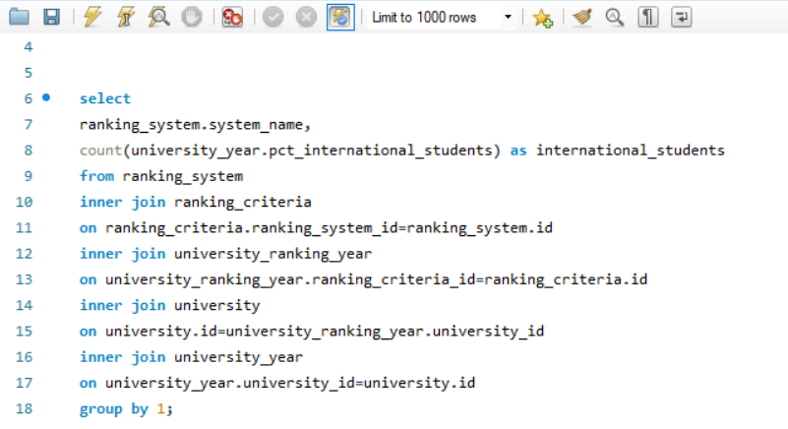

Insight

 |  | S

Output
This chart shows the system_name like
"Times Higher Education world University Ranking" have total international students is 27,247 which means these students indicating potential international students are influence by global reputation. "Shanghai Ranking" has slightly lower count of international students as compare to Times higher education and at last "Center for World University Ranking" has very low students count as compare to others ranking which will directly impact on enrollment of the students.

System_name | International_students
Times Higher Education World University Ranking | 27247
Shanghai Ranking | 25291
Center for World University Rankings | 20536

Q.7
Are there any criteria that have different weights in different ranking systems?

SQL QUERY

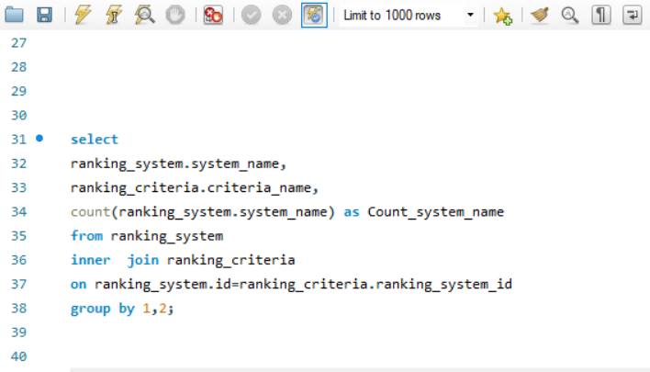

Output
Insight

Times Higher Education (THE): Evaluates universities based on Teaching, Research, Citations, International outlook, and Income.
Shanghai Ranking (ARWU):Focuses on Alumni achievements, Awards, Research (HiCi, Publications), and Faculty quality.
Center for World University Rankings (CWUR):Ranks universities based on Education quality, Alumni employment, Faculty quality, Research output, Influence, and Patents.
Each system has distinct evaluation criteria, with THE focusing on academic and financial aspects, Shanghai emphasizing research and awards, and CWUR considering education and employment.

System_name | Criteria_name | Count_system_name
Times Higher Education World University Ranking | Teaching | 1
Times Higher Education World University Ranking | International | 1
Times Higher Education World University Ranking | Research | 1
Times Higher Education World University Ranking | Citations | 1
Times Higher Education World University Ranking | Income | 1
Times Higher Education World University Ranking | Total Times | 1
...

Q.8
How have the weights of ranking criteria changed over time?

Visualization
SQL QUERY

Ranking_criteria by Year
 | Count_ranking_criteria
2005 | 497
2006 | 497
2007 | 511
2008 | 504
2009 | 497
2010 | 504
2011 | 1554
2012 | 2449
2013 | 2451
2014 | 9660
2015 | 9699
2016 | 659

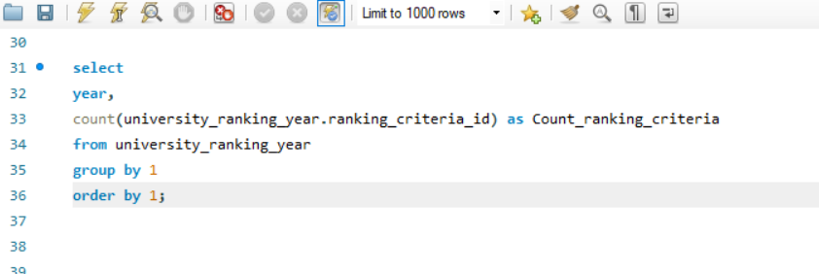

Output

Insight
Year | Count_ranking_criteria
2005 | 497
2006 | 497
2007 | 511
From Year 2005 to 2010 in the Ranking criteria their is not significant changes but from 2011 to 2013 their is increase in total criteria and from year 2014 to 2015 a rapid increase in ranking criteria which indicates the number of activity is increases. The year 2016 lower count of ranking criteria means some changes in reporting.
2008 | 504
2009 | 497
2010 | 504
...

Q.9
Is there a relationship between a university's score and the student-staff ratio?

SQL QUERY
Visualization

University_score By Student-staff ratio
 | Total_student_staff_ratio
64956 | 7743
58482 | 6003
55344 | 10266
54654 | 7257.6
53010 | 6786
49812 | 13480.8
49068 | 10092
48978 | 5837.4
48498 | 9309
47724 | 11397
46812 | 4960.8
46458 | 3801.6
46398 | 13398
46266 | 4920.6
45366 | 15312
44840 | 7992.5
44538 | 14056.2
43536 | 14086.8
43128 | 8812.8
42954 | 4648.8
42648 | 11508
42174 | 11923.2
41736 | 8652
41640 | 7257.6
41214 | 5655
40560 | 7425.6
40296 | 4176
40062 | 7482
39630 | 8726.4
39246 | 11836.8
39138 | 3132
38676 | 11049
38454 | 3151.2
38346 | 6454.8
38172 | 5865.6
37950 | 10494.5
37776 | 6351
37560 | 11145.6
37422 | 5875.2
37210 | 18973.5
37085 | 4517.5
36684 | 6796.8
36498 | 5054.4
36408 | 11070
36378 | 16353
36360 | 11109
36350 | 1840
35886 | 3962.4
35540 | 2849.5
35135 | 4517.5
...
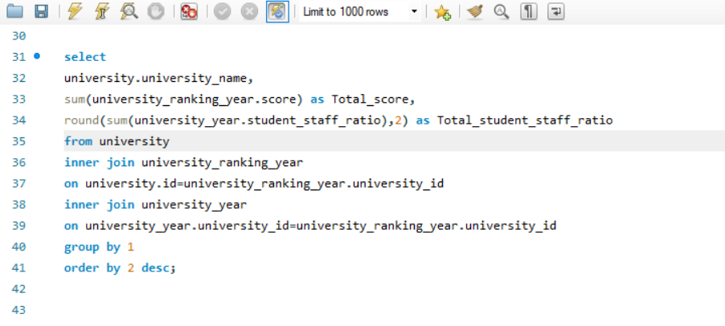

Output

Insight
University_name | Total_score | Total_student_staff_ratio
Harvard University | 64956 | 7743
California Institute of Technology | 58482 | 6003
The correlation between students staff-ratio and score suggest strong positive relation. As the university score increases then student staff ratio also increases,this shows higher the score with higher student staff ratio indicating a large number of students per staff member.
University of Cambridge | 55344 | 10266
Princeton University | 54654 | 7257.6
Stanford University | 53010 | 6786
University of California, Berkeley | 49812 | 13480.8
...

Q.10
How does the number of female students differ among universities?

SQL QUERY
Visualization

Total_female_students by universities
 | Total_pct_Female_students
University of Vienna | 402
Leiden University | 354
Utrecht University | 354
Karolinska Institute | 350
University of North Carolina at Chapel Hill | 348
University of Edinburgh | 348
Boston University | 348
Royal Holloway, University of London | 342
Ghent University | 342
Uppsala University | 342
University College London | 336
McGill University | 336
University of St Andrews | 336
VU University Amsterdam | 336
Monash University | 336
University of Copenhagen | 335
University of Melbourne | 330
New York University | 330
University of Helsinki | 330
University of Alberta | 330
University of British Columbia | 324
University of Sussex | 324
Durham University | 324
University of Birmingham | 324
University of Nottingham | 324
University of Exeter | 324
University of Bristol | 318
University of Amsterdam | 318
University of California, Los Angeles | 312
Australian National University | 312
Vanderbilt University | 312
University of Virginia | 312
University of Southern California | 312
University of Arizona | 312
Queen Mary University of London | 312
Lancaster University | 312
University of Liverpool | 312
University of Groningen | 312
Stockholm University | 310
University of Pennsylvania | 306
University of Geneva | 305
University of California, Berkeley | 300
Yale University | 300
Johns Hopkins University | 300
University of Sheffield | 300
Arizona State University | 300
Duke University | 294
National University of Singapore | 294
University of Leeds | 290
University of East Anglia | 290
...

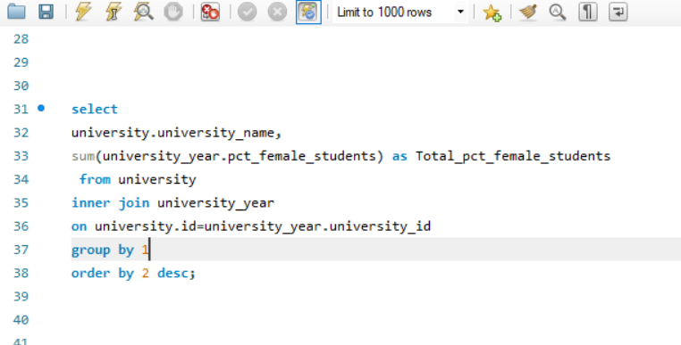

Output
Insight

Highest Female Representation:
University of Vienna has the highest percentage of female students is (402)
Other top universities include Leiden (354), Utrecht (354), and Karolinska (350)
High Female Enrollment (300+):
Many European and North American universities fall in this range, such as UNC Chapel Hill, Edinburgh, Boston University, McGill, and Melbourne.
Mid-Range (200-299):
Includes Yale (300), Johns Hopkins (300), NUS (294), Cornell (288), and Sydney (285).
Some Ivy League universities like Harvard and Columbia are notably absent.
Low Female Representation (<200):
Tech-focused universities like Caltech (198), TUM (198), and Georgia Tech (186) have fewer female students.
Zero Female Students:
Universities like Harvard, Columbia, University of Tokyo, Peking, Seoul National, and Toronto report 0% female students, likely due to data issues or unique enrollment structures.
Geographical Trends:
Europe and North America have strong female representation.
Asian universities (China, Japan, South Korea) tend to have fewer female students.

University_name | Total_pct_Female_students
University of Vienna | 402
Leiden University | 354
Utrecht University | 354
Karolinska Institute | 350
University of North Carolina at Chapel Hill | 348
...

Q.11
What is the distribution of universities across different countries?

Visualization
SQL QUERY

Total_universities by Country
 | Total_universities
United States of America | 203
United Kingdom | 55
Japan | 47
Germany | 46
Italy | 38
China | 37
France | 33
Canada | 25
South Korea | 24
Spain | 24
Australia | 19
Netherlands | 13
Sweden | 11
India | 11
Taiwan | 9
Finland | 9
Belgium | 9
Austria | 9
Switzerland | 8
Israel | 7
Brazil | 7
Hong Kong | 6
Portugal | 6
Greece | 6
Denmark | 5
Ireland | 5
South Africa | 5
New Zealand | 5
Norway | 4
Hungary | 4
Poland | 4
Turkey | 3
Singapore | 2
Thailand | 2
Malaysia | 2
Russia | 2
Saudi Arabia | 2
Chile | 2
Czech Republic | 1
Mexico | 1
Argentina | 1
Iceland | 1
Slovenia | 1
Estonia | 1
Lebanon | 1
Croatia | 1
Colombia | 1
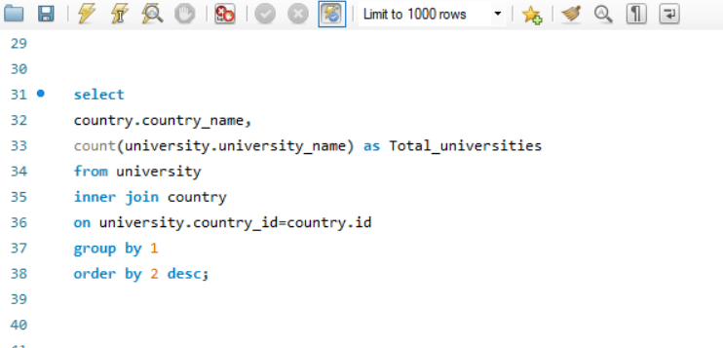

Output

Insight

Top Countries with the Most Universities: USA (203) leads significantly, followed by UK (55), Japan (47), and Germany (46).These four countries collectively account for a large share of global universities in the list.
Strong European Presence:Italy (38), France (33), Spain (24), and Netherlands (13) contribute significantly. Germany and the UK are the dominant European countries.
Asian Representation:China (37), South Korea (24), India (11), Taiwan (9), and Japan (47) highlight Asia’s strong academic presence.Singapore (2) and Malaysia (2) have relatively fewer universities in comparison. Some nations like Mexico, Argentina, and Iceland have only one university listed.
Country_name | Total_universities
United States of America | 203
United Kingdom | 55
Japan | 47
Germany | 46
Italy | 38
China | 37
France | 33
...

Q.12
How has the ranking of universities changed over the years?

Visualization
SQL QUERY

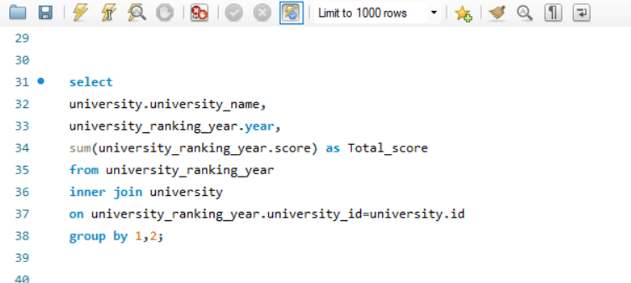
Total_score By Universities
 | Total_score
Harvard University | 1171
California Institute of Technology | 986
Massachusetts Institute of Technology | 555
Stanford University | 952
Princeton University | 868
University of Cambridge | 983
University of Oxford | 898
University of California, Berkeley | 893
Imperial College London | 545
Yale University | 788
University of California, Los Angeles | 746
University of Chicago | 803
Johns Hopkins University | 506
Cornell University | 780
Columbia University | 817
University of Pennsylvania | 737
Carnegie Mellon University | 632
University of Hong Kong | 462
University College London | 739
Duke University | 681
Northwestern University | 613
University of Tokyo | 332
Georgia Institute of Technology | 467
Pohang University of Science and Technology | 436
University of California, Santa Barbara | 698
University of British Columbia | 655
University of North Carolina at Chapel Hill | 593
University of California, San Diego | 699
National University of Singapore | 430
McGill University | 569
University of Melbourne | 617
Peking University | 448
Ãƒâ€°cole Polytechnique | 353
University of Edinburgh | 387
Hong Kong University of Science and Technology | 430
Australian National University | 356
University of GÃƒÂ¶ttingen | 348
Rice University | 504
University of California, Irvine | 527
Vanderbilt University | 576
Tufts University | 293
University of California, Davis | 569
Brown University | 516
Kyoto University | 624
Tsinghua University | 400
Boston University | 510
New York University | 545
Emory University | 304
University of Notre Dame | 289
Case Western Reserve University | 477
...

Output

Insight

In 2011 Top Universities are Harvard University has the highest score (1171).
Other leading institutions include California Institute of Technology (986), University of Cambridge (983), Stanford University (952), and University of Oxford (898).In 2012 Top Universities:Harvard University (1287), Princeton University (1255), and California Institute of Technology (1213) have the highest total scores.In 2013 Top-Performing Universities:The California Institute of Technology (1284) and Harvard University (1276) have the highest total scores.Other strong contenders include Princeton University (1263).In 2014 Top Universities:California Institute of Technology (Caltech) has the highest total score (1454).Harvard University, Stanford University, University of Oxford, and MIT also rank among the top with scores exceeding 1000.
In 2015 and 2016 we also had the similar results that shows these are top performing universities and there will a chance of more number of students enrollement in these universities.
University_name | Year | Total_score
Harvard University | 2011 | 1171
California Institute of Technology | 2011 | 986
Massachusetts Institute of Technology | 2011 | 555
Stanford University | 2011 | 952
Princeton University | 2011 | 868
University of Cambridge | 2011 | 983
...

Q.13
What is the trend in the percentage of female students over time?

Visualization
SQL QUERY

Percentage of female_students by years
 | Avg_female_students
Harvard University | 0
California Institute of Technology | 33
Massachusetts Institute of Technology | 37
Stanford University | 42
Princeton University | 45
University of Cambridge | 46
University of Oxford | 46
University of California, Berkeley | 50
Imperial College London | 37
Yale University | 50
University of California, Los Angeles | 52
University of Chicago | 42
Johns Hopkins University | 50
Cornell University | 48
Columbia University | 0
University of Pennsylvania | 51
Carnegie Mellon University | 39
University of Hong Kong | 53
University College London | 56
Duke University | 49
Northwestern University | 48
University of Tokyo | 0
Georgia Institute of Technology | 31
Pohang University of Science and Technology | 20
University of California, Santa Barbara | 52
University of British Columbia | 54
University of North Carolina at Chapel Hill | 58
University of California, San Diego | 48
National University of Singapore | 49
McGill University | 56
University of Melbourne | 55
Peking University | 0
Ãƒâ€°cole Polytechnique | 18
University of Edinburgh | 58
Hong Kong University of Science and Technology | 0
Australian National University | 52
University of GÃƒÂ¶ttingen | 51
Rice University | 44
University of California, Irvine | 52
Vanderbilt University | 52
Tufts University | 54
University of California, Davis | 54
Brown University | 0
Kyoto University | 0
Tsinghua University | 32
Boston University | 58
New York University | 55
Emory University | 56
University of Notre Dame | 44
Case Western Reserve University | 48
...
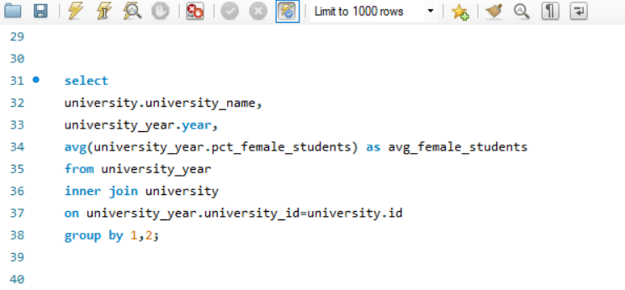

Output

University_name | Year | Avg_female_students
Harvard University | 2011 | 0
California Institute of Technology | 2011 | 33
Massachusetts Institute of Technology | 2011 | 37
Insight
Stanford University | 2011 | 42
Princeton University | 2011 | 45
University of Cambridge | 2011 | 46
In 2011 Some universities have a high percentage of female students (e.g., University of Copenhagen (67%), University of Vienna (67%), University of Helsinki (66%)).Some universities have a significantly low percentage of female students, particularly in technical institutions like Tokyo Institute of Technology (13%), École Polytechnique (18%), Pohang University of Science and Technology (20%).
In 2012 Universities with the highest average female student percentages include Karolinska Institute (70%), University of Helsinki (66%), and University of Geneva (61%).
Universities with the lowest female representation include École Polytechnique (18%), Pohang University of Science and Technology (20%), and Tokyo Institute of Technology (13%).
In 2013 Universities with the highest percentage of female students include Karolinska Institute (70%), University of Copenhagen (67%), University of Helsinki (66%), and University of Geneva (61%).
Some universities report 0% female students, likely due to missing or incorrect data (e.g., Harvard, Columbia, Peking University, and Seoul National University).
In 2014 Highest female representation are Karolinska Institute (70%),University of Copenhagen (67%),University of Helsinki (66%),Stockholm University (62%),University of Geneva (61%)
From year 2011 till 2016 Many universities have a near-equal gender ratio, with around 50% female students.Some universities have significantly lower percentages, such as technical institutes (e.g., Tokyo Institute of Technology - 13%, École Polytechnique - 18%, Eindhoven University of Technology - 19%).A few universities have a much higher percentage of female students, such as Karolinska Institute (70%), University of Helsinki (66%), and University of Copenhagen (67%). This can be seen that there is more number of female percentage of students enrollments in these top universites
University of Oxford | 2011 | 46
...

Q.14
How has the ranking score of universities evolved over the years?

SQL QUERY
Visualization

Universities Score over the year
 | Avg_Score
Harvard University | 90.08
California Institute of Technology | 75.85
Massachusetts Institute of Technology | 92.5
Stanford University | 73.23
Princeton University | 72.33
University of Cambridge | 75.62
University of Oxford | 69.08
University of California, Berkeley | 74.42
Imperial College London | 90.83
Yale University | 65.67
University of California, Los Angeles | 62.17
University of Chicago | 66.92
Johns Hopkins University | 84.33
Cornell University | 60
Columbia University | 68.08
University of Pennsylvania | 56.69
Carnegie Mellon University | 48.62
University of Hong Kong | 77
University College London | 56.85
Duke University | 52.38
Northwestern University | 51.08
University of Tokyo | 66.4
Georgia Institute of Technology | 77.83
Pohang University of Science and Technology | 72.67
University of California, Santa Barbara | 53.69
University of British Columbia | 50.38
University of North Carolina at Chapel Hill | 45.62
University of California, San Diego | 53.77
National University of Singapore | 71.67
McGill University | 47.42
University of Melbourne | 47.46
Peking University | 74.67
Ãƒâ€°cole Polytechnique | 70.6
University of Edinburgh | 64.5
Hong Kong University of Science and Technology | 71.67
Australian National University | 71.2
University of GÃƒÂ¶ttingen | 58
Rice University | 38.77
University of California, Irvine | 43.92
Vanderbilt University | 44.31
Tufts University | 58.6
University of California, Davis | 43.77
Brown University | 43
Kyoto University | 48
Tsinghua University | 66.67
Boston University | 39.23
New York University | 45.42
Emory University | 60.8
University of Notre Dame | 57.8
Case Western Reserve University | 39.75
...
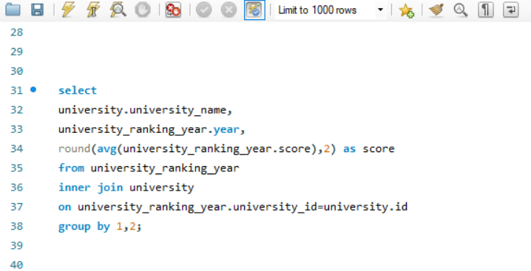

Insight

Output
In the year 2005 till 2016 The Top Global University are Harvard University ranks highest with an Avg_Score of 96 are rapidly increases or decrease within these years. Some Elite Group: The top 5 universities include Harvard, Cambridge, Stanford, UC Berkeley, and Caltech, all scoring above 67 are consistently Strong performers. Leading Universities: MIT (92.5), Imperial College London (90.83), and Johns Hopkins University (84.33) show strong global standings. Oxford and Stanford (both 53.24) hold strong global positions. Princeton (65.19), Cambridge (56.24), and MIT (49.00) are among the best.

university_name | Year | Avg_Score
Harvard University | 2011 | 90.08
California Institute of Technology | 2011 | 75.85
Massachusetts Institute of Technology | 2011 | 92.5
Stanford University | 2011 | 73.23
Princeton University | 2011 | 72.33
University of Cambridge | 2011 | 75.62
...

Q.15
Is there a relationship between a university's ranking score and the number of students over time?

Visualization

SQL QUERY

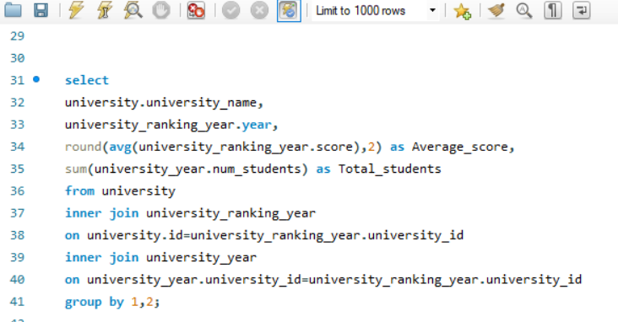
University Avg_score by Total_students
 | Average_score | Total_students
Harvard University | 90.08 | 1571856
California Institute of Technology | 75.85 | 174954
Massachusetts Institute of Technology | 92.5 | 398664
Stanford University | 73.23 | 1216488
Princeton University | 72.33 | 570888
University of Cambridge | 75.62 | 1467336
University of Oxford | 69.08 | 1553682
University of California, Berkeley | 74.42 | 2605392
Imperial College London | 90.83 | 542160
Yale University | 65.67 | 846072
University of California, Los Angeles | 62.17 | 2750832
University of Chicago | 66.92 | 1023912
Johns Hopkins University | 84.33 | 544608
Cornell University | 60 | 1671072
Columbia University | 68.08 | 1803960
University of Pennsylvania | 56.69 | 1589328
Carnegie Mellon University | 48.62 | 927030
University of Hong Kong | 77 | 595050
University College London | 56.85 | 2075346
Duke University | 52.38 | 1183416
Northwestern University | 51.08 | 1320048
University of Tokyo | 66.4 | 785970
Georgia Institute of Technology | 77.83 | 718812
Pohang University of Science and Technology | 72.67 | 109980
University of California, Santa Barbara | 53.69 | 1431300
University of British Columbia | 50.38 | 3911856
University of North Carolina at Chapel Hill | 45.62 | 2068404
University of California, San Diego | 53.77 | 1770145
National University of Singapore | 71.67 | 1137312
McGill University | 47.42 | 2255472
University of Melbourne | 47.46 | 3129984
Peking University | 74.67 | 1445328
Ãƒâ€°cole Polytechnique | 70.6 | 60725
University of Edinburgh | 64.5 | 927864
Hong Kong University of Science and Technology | 71.67 | 409860
Australian National University | 71.2 | 438120
University of GÃƒÂ¶ttingen | 58 | 767430
Rice University | 38.77 | 411645
University of California, Irvine | 43.92 | 1596840
Vanderbilt University | 44.31 | 948558
Tufts University | 58.6 | 260250
University of California, Davis | 43.77 | 2298660
Brown University | 43 | 623016
Kyoto University | 48 | 1482585
Tsinghua University | 66.67 | 1192890
Boston University | 39.23 | 1933542
New York University | 45.42 | 3028032
Emory University | 60.8 | 308450
University of Notre Dame | 57.8 | 354870
Case Western Reserve University | 39.75 | 555540
...

Output
Insight

The Scatter graph plots universities based on their Average Score (x-axis) and Total Students (y-axis).Each grey dot represents a university's student population in relation to its average score.
Key Observations: Most universities have low average scores, clustered around the lower end of the x-axis.There are some universities with high student populations, as seen in the scattered high points on the y-axis.The distribution is uneven, meaning some universities have significantly larger student populations but do not necessarily have higher average scores.
Potential Insights:Universities with higher average scores may not always have a large number of students.Some outlier universities have exceptionally high student populations.There may not be a strong correlation between the total number of students and the average score.
University_name | Year | Average_score | Total_students
Harvard University | 2011 | 90.08 | 1571856
California Institute of Technology | 2011 | 75.85 | 174954
Massachusetts Institute of Technology | 2011 | 92.5 | 398664
Stanford University | 2011 | 73.23 | 1216488
Princeton University | 2011 | 72.33 | 570888
University of Cambridge | 2011 | 75.62 | 1467336
University of Oxford | 2011 | 69.08 | 1553682
...

